1. Weighted AM
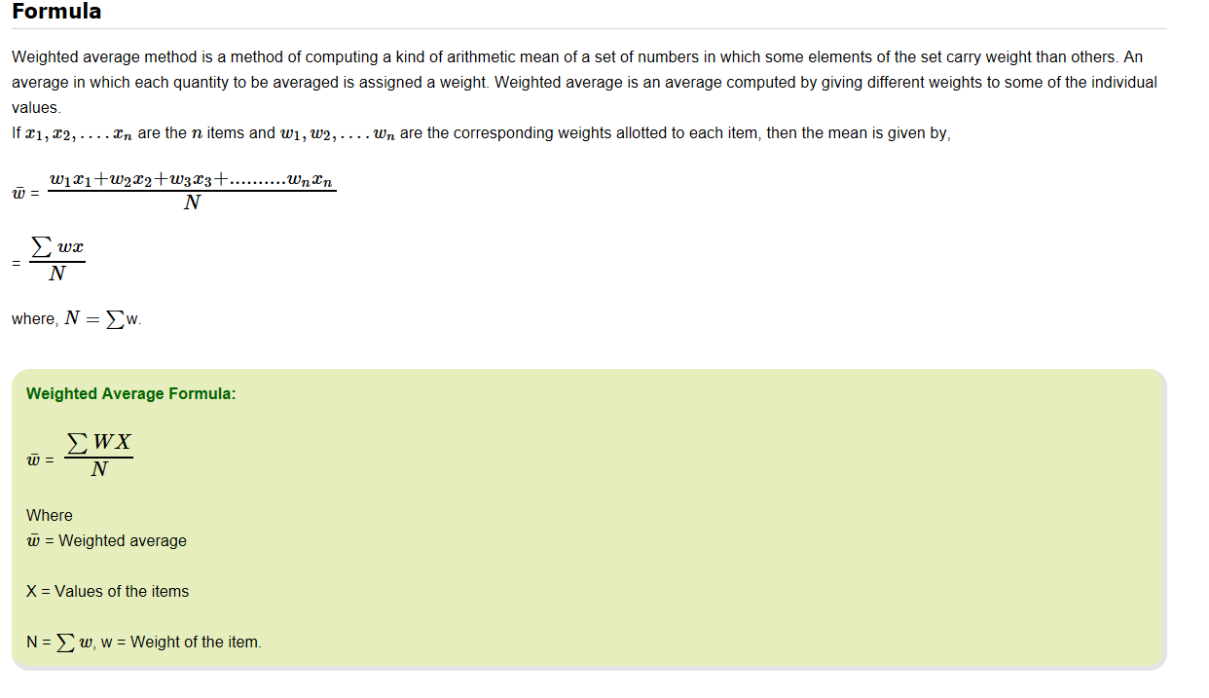
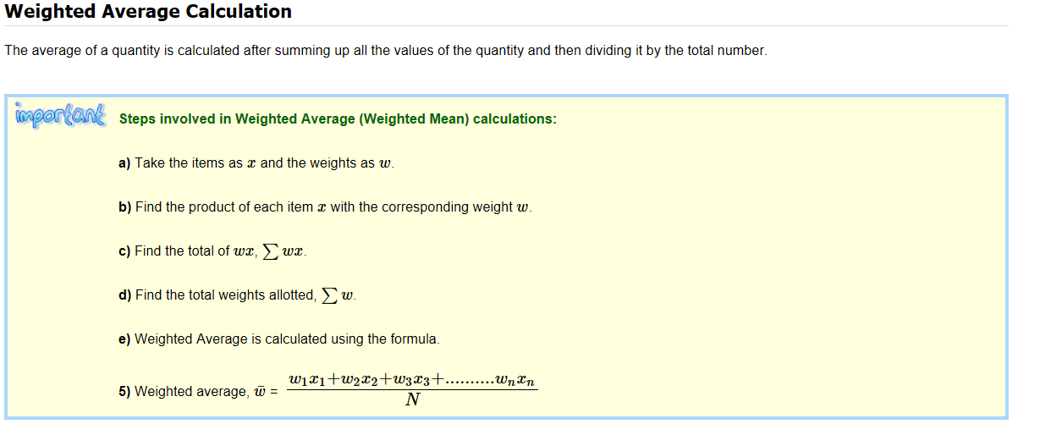
Weighted Average: Simple arithmetic mean gives equal importance to all items in a series. In some cases, all the items in a series may not have equal importance. In such cases, instead of simple arithmetic mean, weighted average is the appropriate method. The Weighted Average or the Weighted Mean is used when the relative importance of the items in a series is not same for all items. In this case, each item is judged based on its relative importance. Weighted Average plays an important role in Economics. It has wide applications in finance and data science.
Weighted Average Definition
Weighted average is referred to as weighted arithmetic mean or weighted arithmetic average and is defined for a set of values and non-negative associated weights as the sum of all values times their associated weights divided by the sum of the weights. A weighted average tends towards a given sample mean in proportion to the sample's size relative to the size of other samples being compared.
Weighted Average Method:
Weighted average is a method to average data, sometimes a collection of values will vary significantly in their distribution. In such case, instead of simple average, weighted average method more adequately represents the dispersion of values where the frequency of the values is different.

4. Weighted Mean Quiz 3
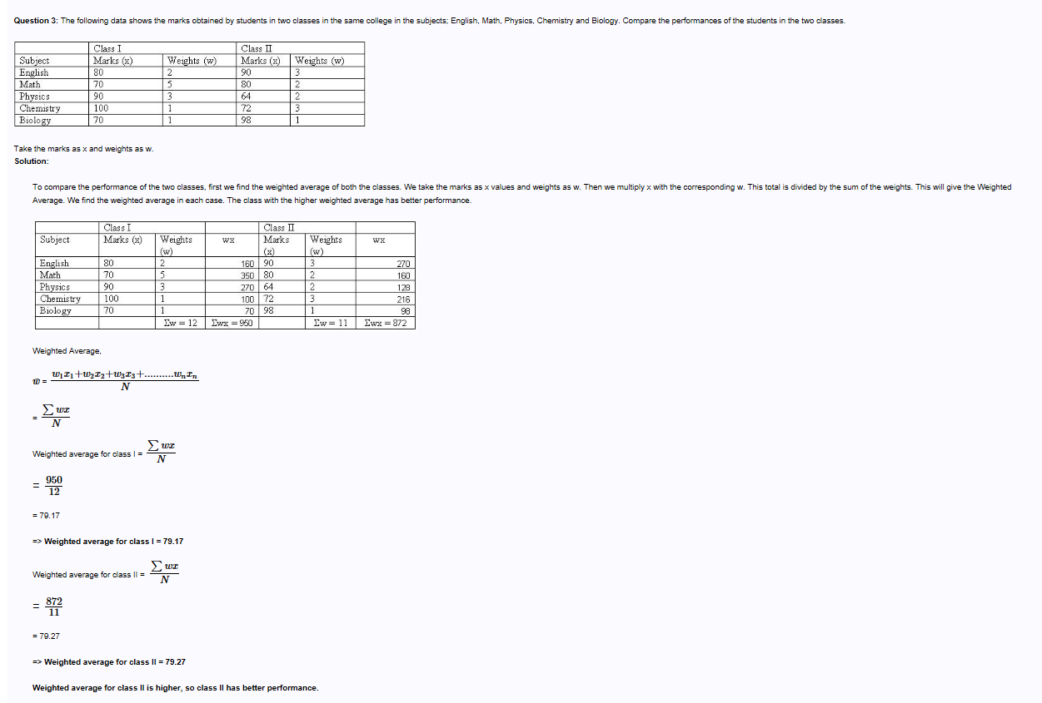
Ex1

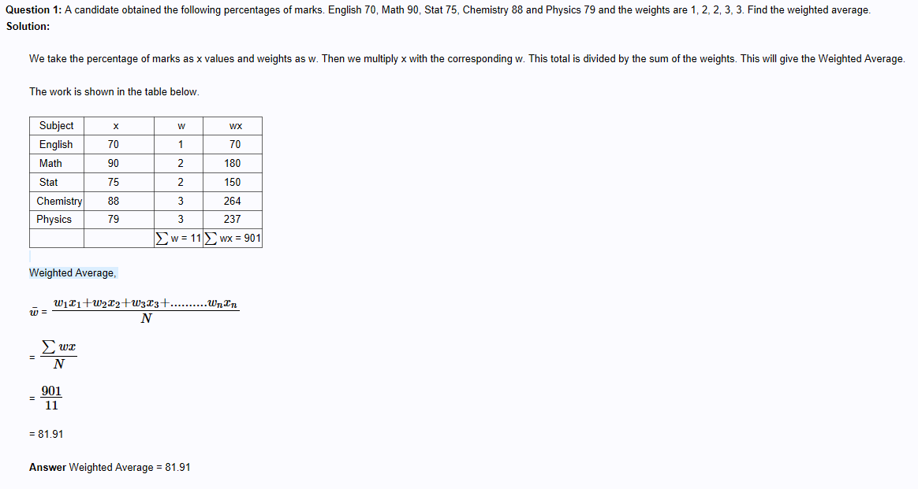

Ex2

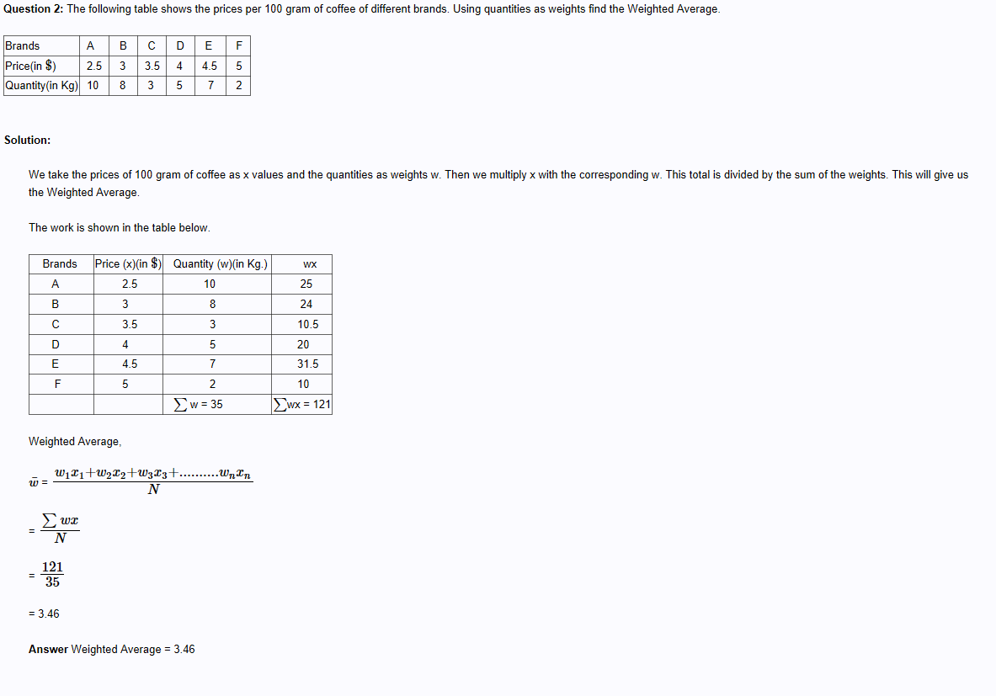

Ex3

5. Weighted AM summary
Weighted Arithmetic Mean
> Helps to calculate the average by taking into account the importance/weight of each value in the overall total.
> Accounts or helps in giving stress to the various influencing factors in data
> Weighted AM=AM when every observation has equal weight or contribution in the data, this is the case with arithmetic mean.
> The weights are usualy provided by business/client and need to to be included in the calculation.

